1. Title Page
[Instacart Grocery Basket Analysis
]

Project Name: Instacart Grocery Basket Analysis
Date: 16/10/2022
Analyst Name: Katarina Milutinovic

Contents:
Population Flow
Consistency checks
Wrangling steps
Column derivations
Visualizations
Recommendations

2. Population Flow
Title page

Population flow

Exclusion flag
Condition: max_order <
Obervations to be removed:
Final total count of order_products_all:

Orders_products_combined
Orders_products_merged
Orders_products_all

Total: 32,404,859
Total: 32,434,489
Total: 30,964,564

1.) The grey boxes in the first row of the population flow represent the original data sets as they were when you downloaded them. In the Total fields you need to add the count of the rows when you imported the data set into Jupyter.
2.) The second row of boxes (coloured) represents the data sets after you manipulated them, e.g., removed missing values and duplicates. In the Total fields you need to add the count of the rows after conducting these operations. This offers a visual oveview of how the data flows throughout the data consistency checks.
3.) The third row, where also the arrows are coloured, represents the merges you performed between the datasets. In the Total fields you need to add the count of the rows in the merged datasets, so that you end up with the final dataset (in the red box). Keep in mind the final dataset should be without exclusions (based on the exclusion flag).

3. Consistency checks
 |  |  |  |  | Title page
Consistency checks

Dataset | Column | Missing values | Missing values treatment | Duplicates
orders | days_since_prior_order | 206209 NaN | nothing | No duplicate values found
products | product_name | 16 NaN | dataset without missing values created

orders_products_prior |  | No missing values were found |  | No duplicate values found
customers | first_name | 11259 NaN |  | No duplicate values found

4. Wrangling steps
 |  |  |  |  | Title page
Wrangling steps

Dataset | Columns dropped | Columns renamed | Columns' type changed | Comment/Reason
orders | 'eval_set' |  |  | not necessary for analysis
 |  | order_dow-> order_day_of_week |  | name was not clear
complete_data | _merged
 | Unnamed: 0
 | first_name
 | surname

5. Column derivations
 |  |  |  |  | Title page

Column derivations and aggregations

In this tab you should add tables below that the frequences of flags/label variables that you produced after deriving them. NB: don't do this for continuous variables, only for flags.
Dataset | New column | Column/s it was derived from | Conditions | Code
orders_product_merged | price_range | prices | If price <= $5, it is labeled as a “low-range product.” If price > $5 but l<= $15, it is labeled as a “mid-range product.” If price > $15, it is labeled as a “high-range product.” | def price_label(row): if row['prices'] <= 5: return 'Low-range product' elif (row['prices'] > 5) and (row['prices'] <= 15): return 'Mid-range product' elif row['prices'] > 15: return 'High range' else: return 'Not enough data'
 | Busiest day | order_dow | if day 0 - 'busiest day', if day 4 - 'least busy', else-'regularly busy' | result = [] for value in orders_products_merged["order_dow"]: if value == 0: result.append("Busiest day") elif value == 4: result.append("Least busy") else: result.append("Regularly busy")
 | Busiest day | order_dow | if day 0 -1 'busiest day', if day 1- 2- 'slowest day', else-'regularly busy days'- | for value in orders_products_merged['order_dow']: if value == day_number[0] or value == day_number[1]: results.append('Busiest days') elif value == day_number[len(day_number) - 1] or value == day_number[len(day_number) - 2]: results.append('Slowest days') else: results.append('Regulary busy days')
 | busiest_period_of_day | order_hour_of_day | "quantil" was used if value < list quantiel 2- data is labeled as 'Fewest orders' if >= list_quantile[2] and val < list_quantile[1]: results_labeling_hour.append('Average orders') if elif val >= list_quantile[1]: results labeling 'Most orders' | for value in orders_products_merged['order_hour_of_day']: for key, val in dict_labeling_counts.items(): if value == key: if val < list_quantile[2]: results_labeling_hour.append('Fewest orders') elif val >= list_quantile[2] and val < list_quantile[1]: results_labeling_hour.append('Average orders') elif val >= list_quantile[1]: results_labeling_hour.append('Most orders')
orders_products_merged_up | max_order' | user_id, order_number | maximum number of orders | orders_products_merged_up['max_order'] = orders_products_merged_up.groupby(['user_id'])['order_number'].transform(np.max)
 | loyalty_flag | max_order | If max_order <= 10, it will be labeled a “New customer” If max_order >10 but <=40, it will be labeled a “Regular customer” If max_order >40, it will be labeled a “Loyal customer” | orders_products_merged_up.loc[orders_products_merged_up['max_order'] > 40, 'loyalty_flag'] = 'Loyal customer' orders_products_merged_up.loc[(orders_products_merged_up['max_order'] <= 40) & (orders_products_merged_up['max_order'] > 10), 'loyalty_flag'] = 'Regular customer' orders_products_merged_up.loc[orders_products_merged_up['max_order'] <= 10, 'loyalty_flag'] = 'New customer'
 | avg_price | user_id, prices |  | orders_products_merged_up['avg_price'] = orders_products_merged_up.groupby(['user_id'])['prices'].transform(np.mean)
 | spender_flag | avg_price | If avg_price<10, it will be labeled a “Low spender” If avg_price >=10, it will be labeled a “High spender” | orders_products_merged_up.loc[orders_products_merged_up ['avg_price'] < 10, 'spender_flag'] = 'Low spender' orders_products_merged_up.loc[orders_products_merged_up['avg_price'] >= 10, 'spender_flag'] = 'High spender'
 | median_days_since_prior_order' | user_id, days_since_prior_order | median number of days between orders per user | orders_products_merged_up['median_days_since_prior_order'] =orders_products_merged_up.groupby(['user_id'])['days_since_prior_order'].transform(np.median)
 | frequency_flag | median_days_since_prior_order | If median_order_frequency >20, it will be labeled a “Non-frequent customer” If median_order_frequency >10 but <=20, it will be labeled a “Regular customer” Ifmedian_order_frequency<=10, it will be labeled a “Frequent customer” | orders_products_merged_up.loc[orders_products_merged_up['median_days_since_prior_order']>20, 'frequency_flag'] = 'Non-frequent customer' ers_products_merged_up.loc[(orders_products_merged_up['median_days_since_prior_order']>10) & (orders_products_merged_up['median_days_since_prior_order']<=20), 'frequency_flag'] = 'Regular customer'
complete_data | region | state | #Creating region lists northeast=['Maine','New Hampshire','Vermont','Massachusetts','Rhode Island','Connecticut','New York','Pennsylvania','New Jersey'] midwest=['Wisconsin','Michigan','Illinois','Indiana','Ohio','North Dakota','South Dakota','Nebraska','Kansas','Minnesota','Iowa','Missouri'] south=['Delaware','Maryland','District of Columbia','Virginia','West Virginia','North Carolina','South Carolina','Georgia','Florida','Kentucky', 'Tennessee','Mississippi','Alabama','Oklahoma','Texas','Arkansas','Louisiana'] west=['Idaho','Montana','Wyoming','Nevada','Utah','Colorado','Arizona','New Mexico','Alaska','Washington','Oregon','California','Hawaii'] | complete_data.loc[complete_data['state'].isin(northeast), 'region']='Northeast' complete_data.loc[complete_data['state'].isin(midwest), 'region']='Midwest' complete_data.loc[complete_data['state'].isin(south), 'region']='South' complete_data.loc[complete_data['state'].isin(west), 'region']='West'
 | activity | max-order | #Creating exclusion flag for low-activity customers: less than 5(0)If max order is 5 or more, flagged as 1(active) If max order is less than 5, flagged as 0 (not active) | and equal to or more than 5 (1) complete_data.loc[complete_data['max_order']>=5, 'activity']='1' complete_data.loc[complete_data['max_order']<5, 'activity']='0'
 | age_group | age | If customer is 25 years or younger, then Young Adult, If customer is between 26 and 64, then Adult, If customer is 65 years or older, then Senior | df_active.loc[df_active['age']<=25, 'age_group']='Young Adult' df_active.loc[(df_active['age']<65)&(df_active['age']>25), 'age_group']='Adult' df_active.loc[df_active['age']>=65, 'age_group']='Senior' df_active['age_group'].value_counts()
 | income_group | income | If income is less than 40,000, then low income, If income is 40,000 or more and less than 150,000, then middle income, If income is greater than 150,000, then high income | df_active.loc[df_active['income']<40000, 'income_group']='low income' df_active.loc[(df_active['income']>=40000)&(df_active['income']<150000), 'income_group']='middle income' df_active.loc[df_active['income']>150000, 'income_group']='high income' df_active['income_group'].value_counts(dropna=False)
 | dependent_group | no_of_dependents | If customer has dependents (greater than 0), then 'has dependents'. If customer does not have dependents (0), then 'no dependents'. | df_active.loc[df_active['no_of_dependants'] >0, 'dependent_group']='has dependents' df_active.loc[df_active['no_of_dependants'] ==0,'dependent_group']='no dependents' df_active['dependent_group'].value_counts(dropna=False)
 | baby_status | department | If any order contain items from dept 'babies' then flagged 1. If not, then 0 | df_active['baby_status'] = [1 if x == 'babies' else 0 for x in df_active['department']
 | pet_status | department | If any order contain items from dept 'pets' then flagged 1. If not, then 0 | df_active['pet_status'] = [1 if x == 'pets' else 0 for x in df_active['department']]
 | alcohol_status | department | If any order contain items from dept 'alcohol' then flagged 1. If not, then 0 | df_active['alcohol_status'] = [1 if x == 'alcohol' else 0 for x in df_active['department']]

6. Visualizations & Recommendat
 |  |  |  | Title page

Visualisations

In this tab you should include all the visualtions from Exercises 4.9 and 4.10, alongside the questions from the project brief that they answer. Include any commentary on the relationship between different variables.

Q1. The sales team needs to know what the busiest days of the week and hours of the day are (i.e., the days and times with the most orders) in order to schedule ads at times when there are fewer orders.

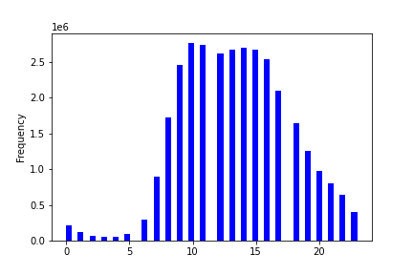

 |  | Key:
 |  | 0-Saturday
 |  | 1-Sunday
 |  | 2-Monday
 |  | 3-Tuesday
 |  | 4-Wendesday
 |  | 5-Thursday
 |  | 6-Friday

This bar chart represents the orders placed each day of the week. Most orders are placed on Saturday, Sunday, and Friday.
 |  |  | This historgram represents the orders placed each hour of the day. Most of the orders are placed between 10-15 h. After 19 h the number of orders is decreased significantly

RECOMMENDATION: Ads should be scheduled from 4 pm till 9 am during weekdays when the ordering activity is at minimum.

Q2. They also want to know whether there are particular times of the day when people spend the most money, as this might inform the type of products they advertise at these times.
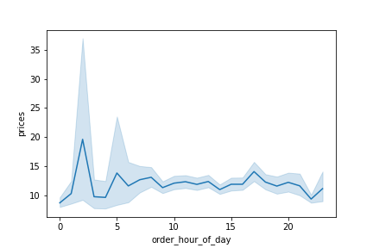

 | The line chart here shows the average price of products purchased at each hour of day.
 | We can see that on average, the most expensive products are purchased from around 12 pm till around 6 am.

 | RECOMMENDATION: Sales team needs to analyze the time 12pm till around 6am in order to place ads for high range products.

Q3. Instacart has a lot of products with different price tags. Marketing and sales want to use simpler price range groupings to help direct their efforts.
To simplify the price ranges products were sorted into low-range, mid-range, and high-range product categories. The pie chart shows the proportions of each category. If product price is <= $5, it is considered a “low-range product.” If product price is > $5 but <= $15, it is considered a “mid-range product.” If product price is > $15, it is considered a “high-range product.”

RECOMMENDATION: Low-range products contain their share in sales 31%. These products should be further analyzed based on frequency of orders.

Q4. Are there certain types of products that are more popular than others? The marketing and sales teams want to know which departments have the highest frequency of product orders.
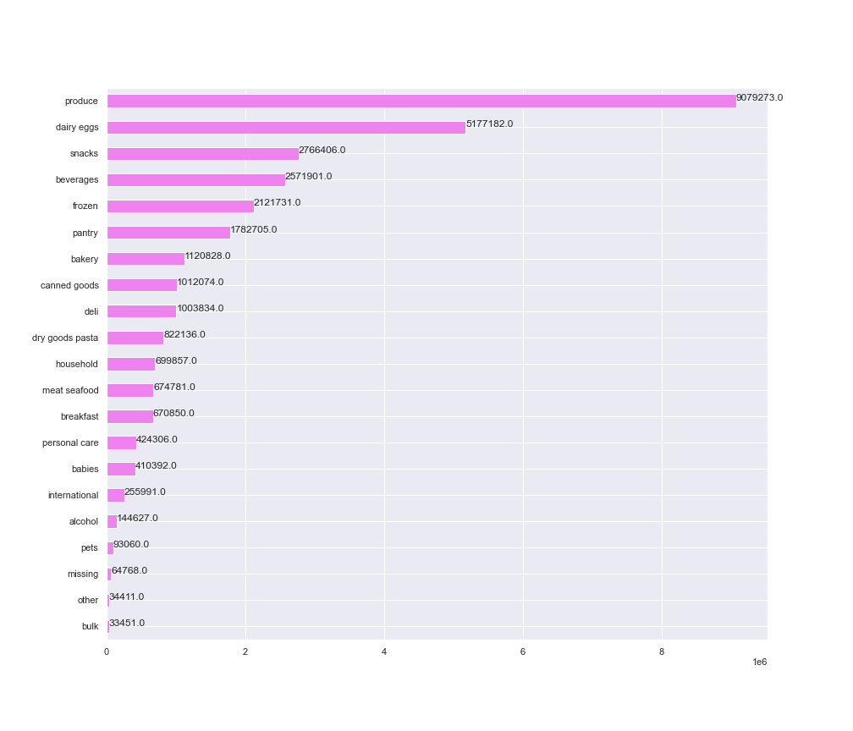
This chart shows the amount of products ordered from each department. The top 5 product departments are produce, dairy/eggs, snacks, beverages, and frozen. The least orders come from the bulk department.

Recommendation: Marketing can focus on these top 5 departments but also can try to use ads to increa sales of some lower departments like household and personal care.

Q5.Whats the distribution among users in regards to their brand loyalty (i.e., how often do they return to Instacart)?

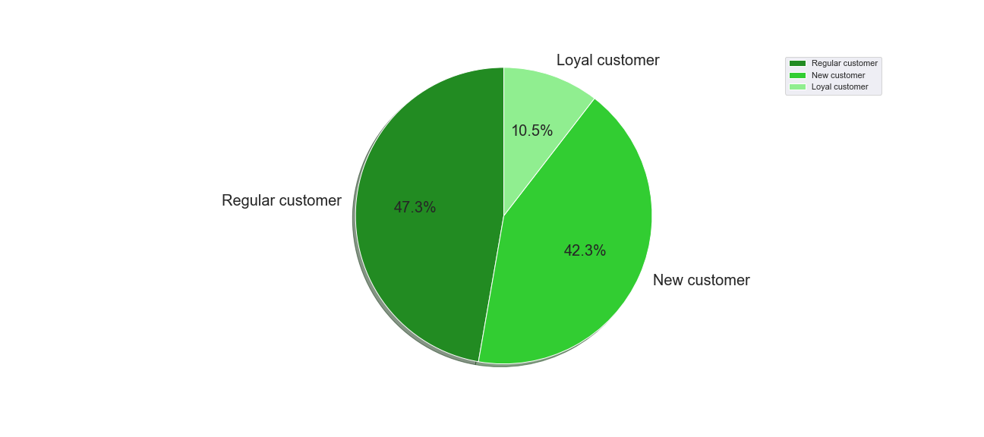
This pie chart shows distribution of customers based on brand (Instacart) loyalty. I have also included a table of the counts of unique customers in each category. Customers were sorted into each category based on the following criteria: -If max_order is <= 10, customer is considered a “New customer” -If max_order is >10 but <=40, customer is considered a “Regular customer” -If max_order is >40, customer is considered a “Loyal customer”

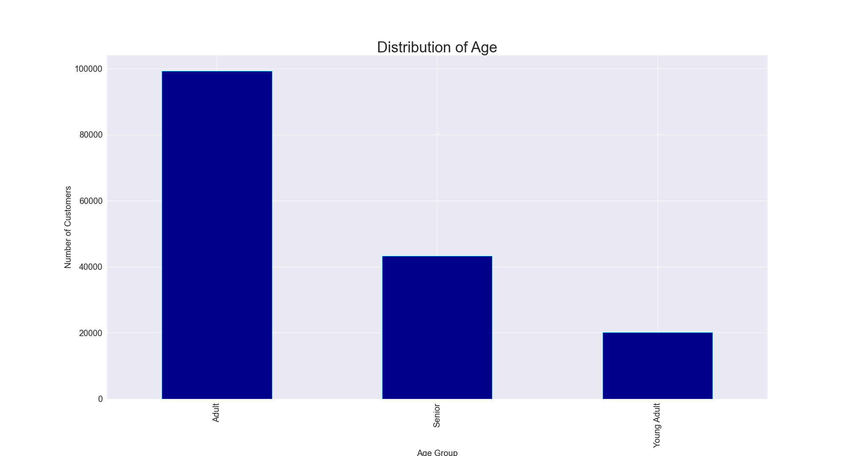
The bar chart represents the distribution of age for customers. We can see that the highest number of customers are Adult, follwed by Senior and Young Adult. The orders by these age groups are distributed almost the same.

Recommendation: Marketing should focus advertisements to regular and new customers to encourage more orders and becoming a loyal customer.

Q6. Are there differences in ordering habits based on a customer’s loyalty status?

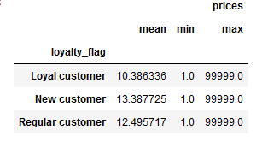
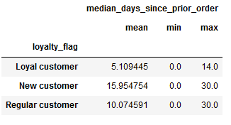

The tables above show order frequency based on customer loyalty as well as average, minimum, and maximum prices of items purchased based on customer loyalty.
Loyal customers have the fewest days between orders and only a maximum of 2 weeks between orders whereas new and regular customers have significantly longer periods between orders. As far as spending habits, it is relatively even no matter what loyalty the customer is.

RECOMMENDATION: New customers and regular customers should be sent regular notifications to make orders in order to encourage them to continue ordering.

Q7. Are there differences in ordering habits based on a customer’s region?

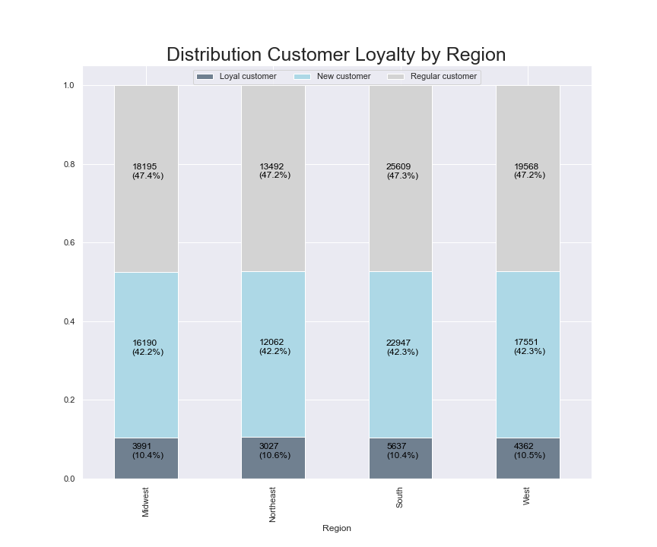
This stacked bar chart represents customer loyalty in each region. The distribution of loyalty in each region is nearly the same.
This table show the number of unique customers within each region. The South has the most customers and also has the most states within that region. The Northeast has the fewest customers but also the least amount of states in that region.
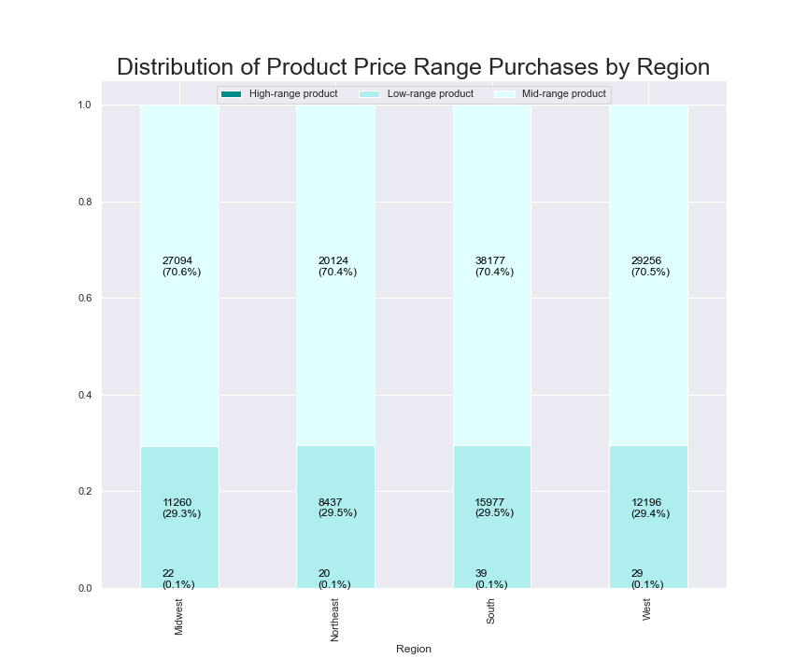
This stacked bar chart represents customer spending habits in each region. The distribution of spending habits in each region is nearly the same.

Recommendation: The number of customers and sales across regions corresponds to the population size of the regions. In this case, ads can be targeted to increase the customer base across all 4 regions.

Q8. Is there a connection between age and family status in terms of ordering habits?
Age group is determined by the following criteria:
If customer is 25 years or younger, they are considered a Young Adult,
If customer is between 26 and 64, they are considered an Adult,
If customer is 65 years or older, they are considered a Senior.
The bar chart represents the distribution of age for customers. We can see that the highest number of customers are adults, follwed by senior and young adult.

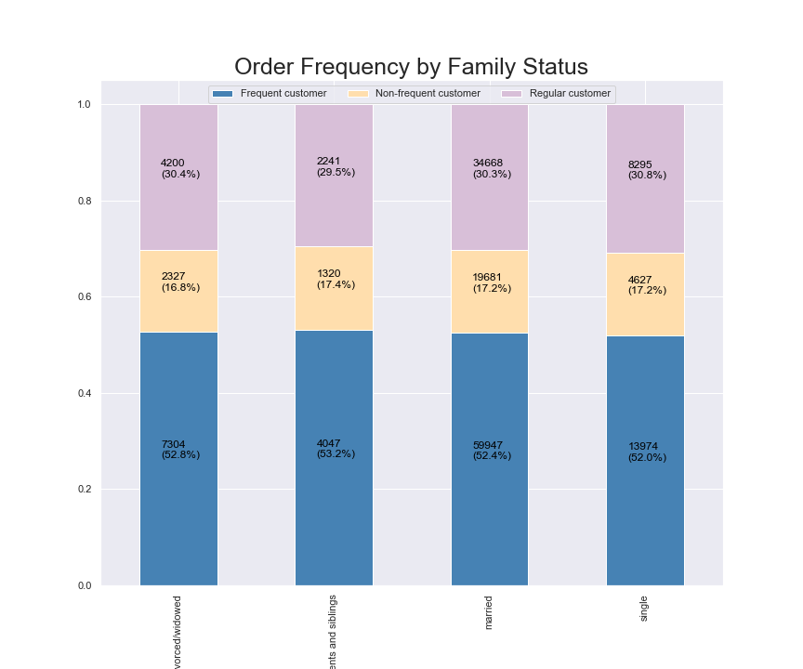
This stacked bar chart represents customer loyalty for each family status category. The distribution of loyalty in each group is nearly the same.
Diovorced/widowed
Living with parents and siblings
Diovorced/widowed
single

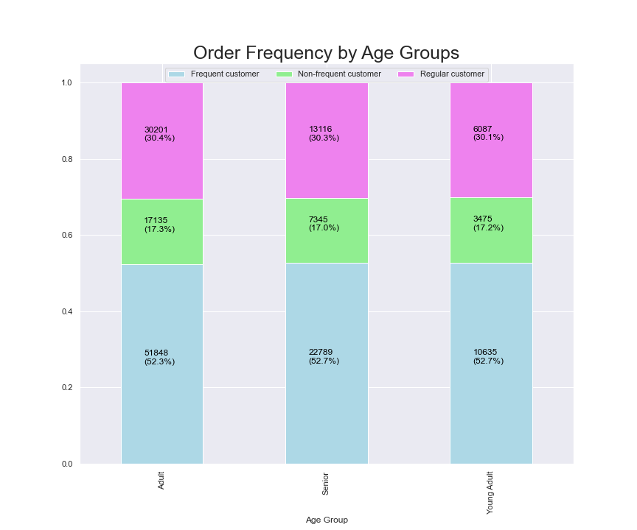
This stacked bar chart represents customer loyalty in each age group. The distribution of loyalty in each group is nearly the same.

Recommendation: To increase customer base, ads could be targeted towards those who are single or divorced/widowed or young adult based on assumptions that those groups may be most open to forming new habits like using instacart for grocery needs rather than traditional methods.

Q9. What different classifications does the demographic information suggest? Age? Income? Certain types of goods? Family status?

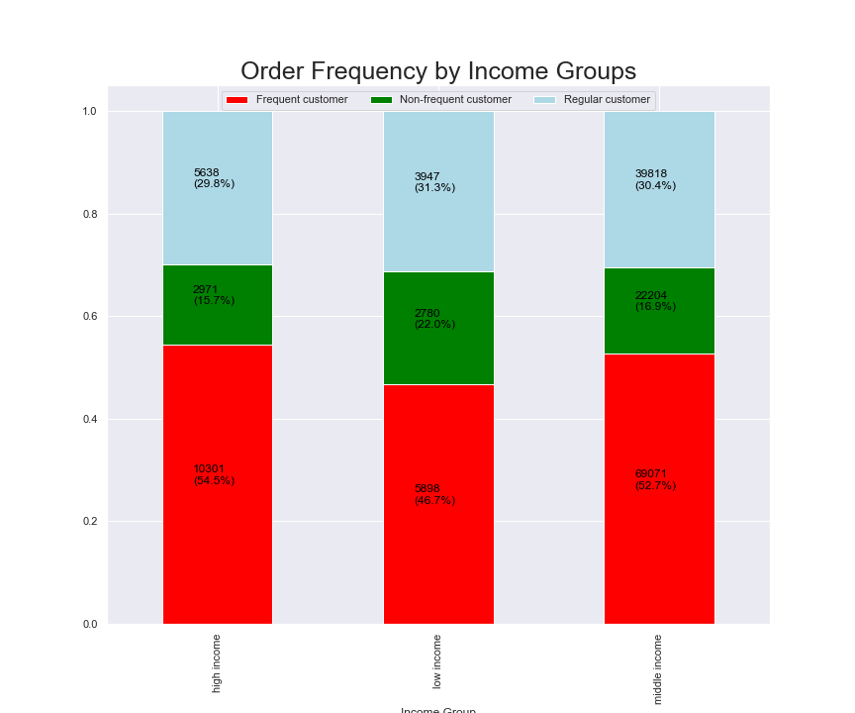
This stacked bar chart represents order frequency in each income group. Frequent customers in the low income group are ordering less than those in the other 2 groups. This is likely due simply to income available.
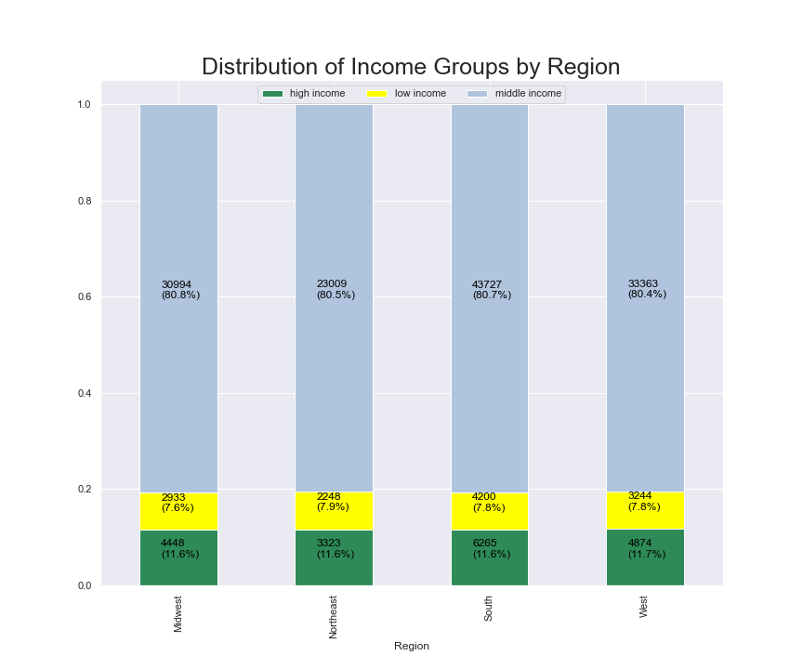
This stacked bar chart represents income groups in each region. The distribution of income groups in each region is nearly the same.
Income group is determined by the following criteria:
If income is less than 40,000, then it is considered low income,
If income is 40,000 or more and less than 150,000, then it is considered middle income,
If income is greater than 150,000, then it is considered high income.
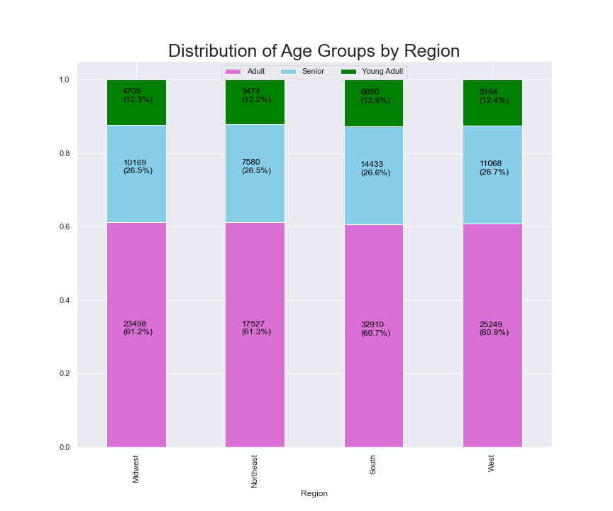
This stacked bar chart representsthe distribution of age groups for each region. The distribution of age group in each region is nearly the same and population counts correspond to the region.

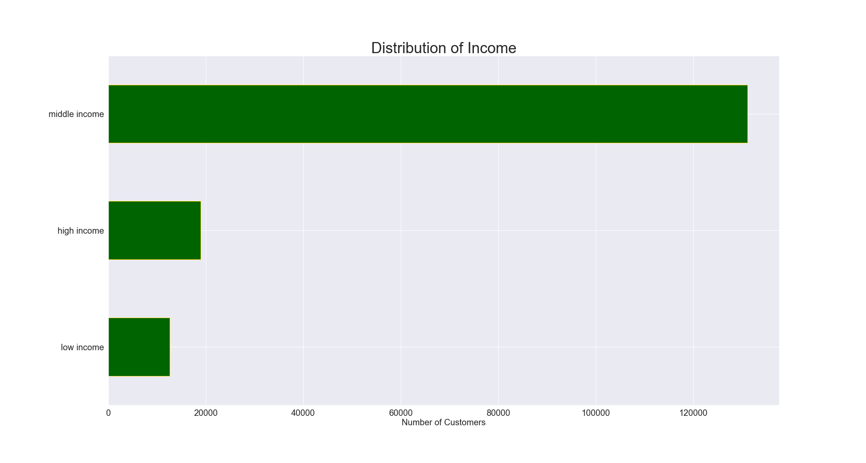
The bar chart above shows that the customers with middle income are the most frequent custommer.

Income
The scatterplot shows the relationship between age and income. It could be seen that:
1. The customers aged 20-40 have income up to 200 000 USD
2. For customers aged above 40 years income raises to 300 000 USD
3. The spending power of instacart customers is higher within the 40+ age group, reaching 600,000 USD.
4. Some of the customers aged below 40 have a higher spending power than the majority of 40 + group.

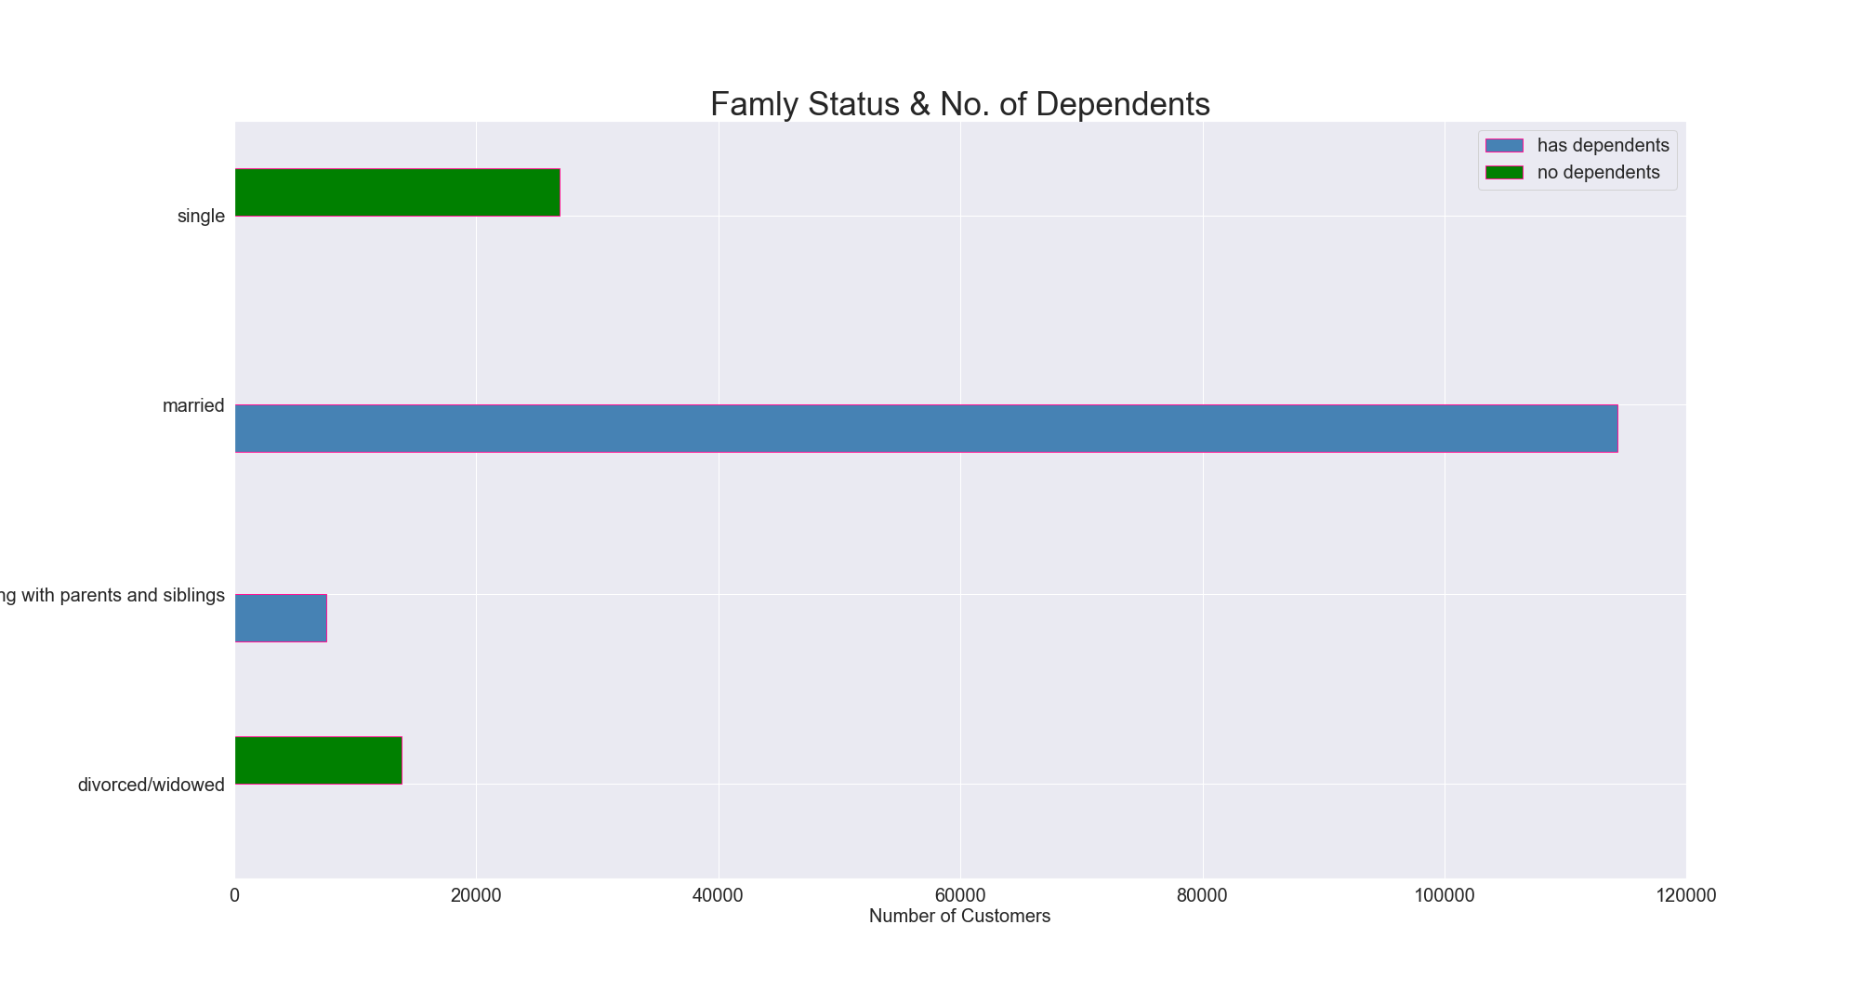
The bar chart above shows the family status of customers and number of their dependants, we can see that single and divorced\widowed people have no dependants, while all of the married people and people living with parents have dependnats. We can also notice that around 66% of the customers are married with dependants.
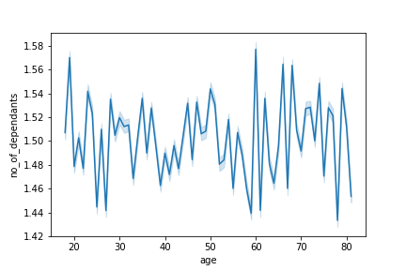
The line chart above shows the relationship between number of dependants and age. We can see that there is no correlations between these 2 factors. Customers of all ages could have depednants.

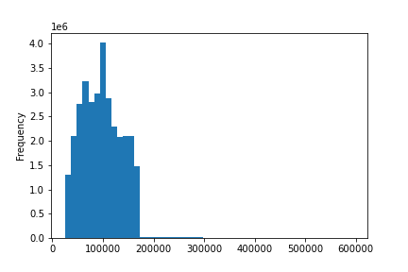
The histogram above shows distribution of income for customers. The customers were divided into 3 groups based on their income range: if income<52000, customer has 'low income', if income>=52000 and <156000, then customer has 'middle income', if income>=156000, customer has 'high income'.

Recommendation:Targeted ads for more high-range products to customers who can afford to purchase them could boost sales. The groups that could be focused would be those who are middle and high income or 40+ years old based on overall spending power. Low and mid range products should be advertised to the low income group as they are less likely to be able to or willing to buy higher priced items.

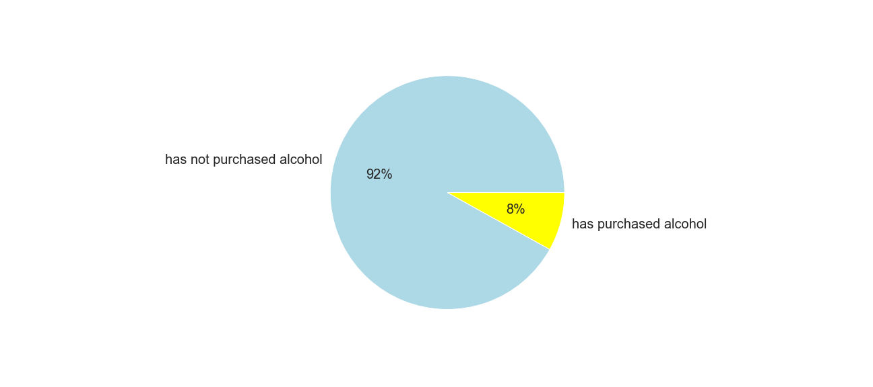
The pie chart shows what percentage of customers have ever purchased alcohol. 8 % have purchased alcohol, 92 % have not.
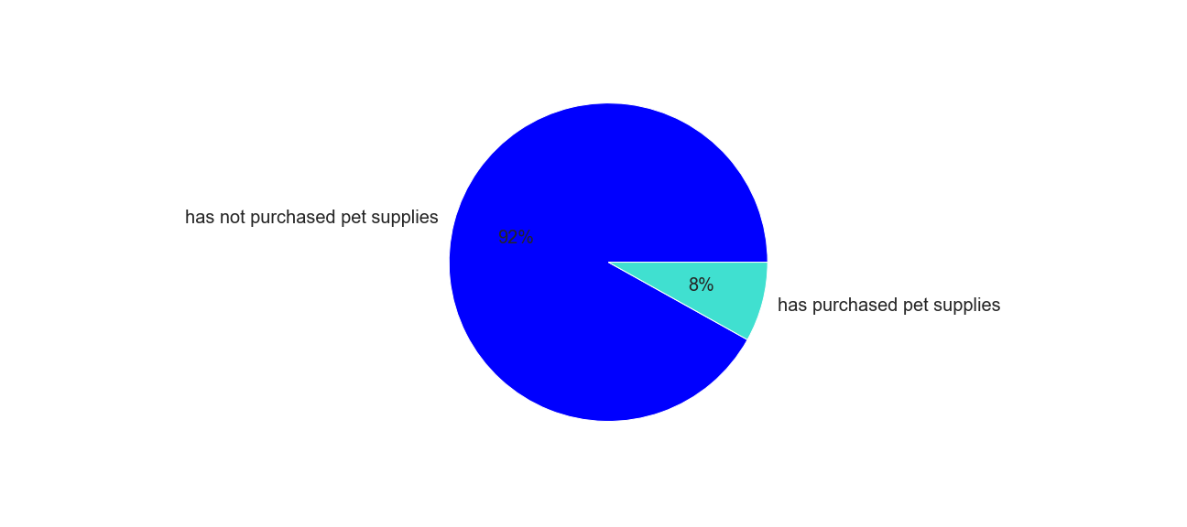
The pie chart shows what percentage of customers have ever purchased pet supplies. 8% have purchased pet supplies, 92% have not.
Q9. What differences can you find in the ordering habits of different customer profiles?

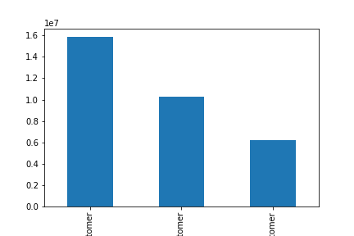
Regular Customer
Loyal
Customer
New
Customer

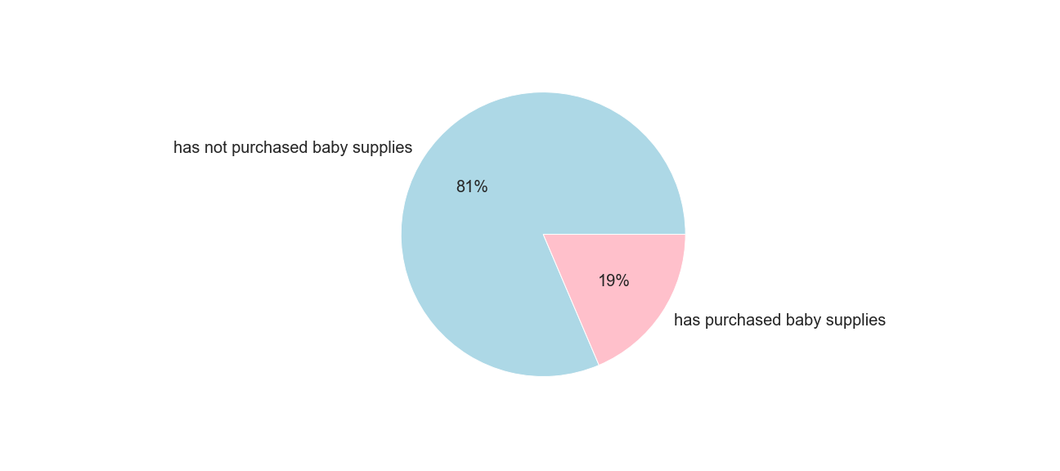
The pie chart shows what percentage of customers have ever purchased baby supplies. 19 % have purchased baby supplies, 81 % have not.

Recommendation: Ads for specific departments will be most successful when targeting customers who have a history of purchasing from those departments. Departments such as babies, pets, and alcohol are generally specific needs and customers who have never purchased from there are not likely to buy from that department simply because of an ad they saw.

The pie chart shows what percentage of customers have ever purchased baby supplies. 8 % have purchased pet supplies, 92 % have not.

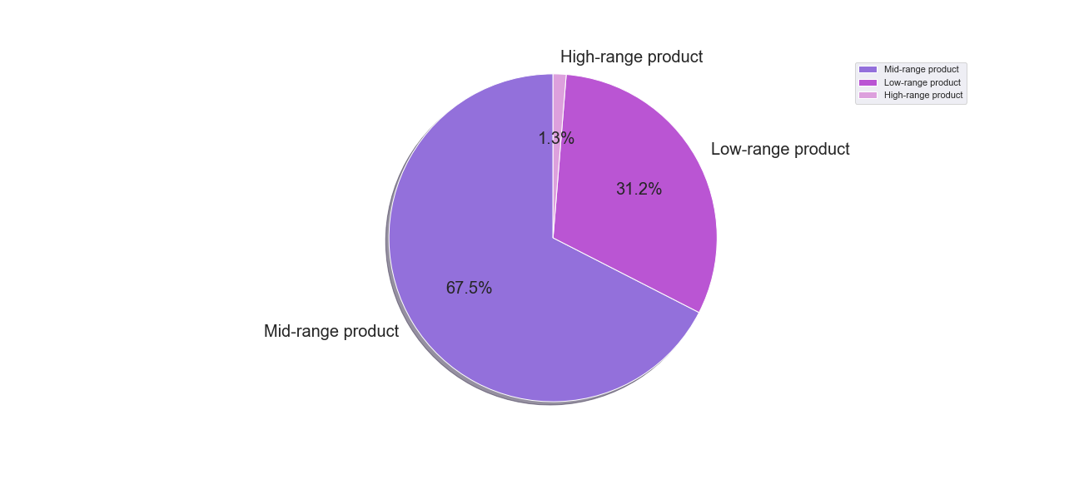

To simplify the price ranges products were sorted into low-range, mid-range, and high-range product categories. The pie chart shows the proportions of each category.
If product price is <= $5, it is considered a “low-range product.”
If product price is > $5 but <= $15, it is considered a “mid-range product.”
If product price is > $15, it is considered a “high-range product.”

7. Recommendations
 |  | Title page

Recommendations

In this tab you should include any recommendations you would made to Instcart in terms of their marketing strategy based on the questions posed in the brief. Every key question has been covered in the Tasks of the Exercises - here you need to add an item - a visualisation or table/crosstable that is showing the answer in the data, acompanied by a comment from you. Please, list the questions below and add the answer underneath.

Question | Answer
Q1. The sales team needs to know what the busiest days of the week and hours of the day are (i.e., the days and times with the most orders) in order to schedule ads at times when there are fewer orders. | A1. Ads should be scheduled from 4 pm till 9 am during weekdays when the ordering activity is at minimum. The busiest days of the week are Friday, Saturday and Sunday.

Q2. They also want to know whether there are particular times of the day when people spend the most money, as this might inform the type of products they advertise at these times. | A2. Sales team needs to analyze the time 12pm till around 6am in order to place ads for high range products.
Q3. Instacart has a lot of products with different price tags. Marketing and sales want to use simpler price range groupings to help direct their efforts. | A3. Low-range products contain their share in sales 31%. These products should be further analyzed based on frequency of orders.
Q4. Are there certain types of products that are more popular than others? The marketing and sales teams want to know which departments have the highest frequency of product orders. | A4. Marketing can focus on these top 5 departments but also can try to use ads to increa sales of some lower departments like household and personal care.
Q5.Whats the distribution among users in regards to their brand loyalty (i.e., how often do they return to Instacart)? | A5. Marketing should focus advertisements to regular and new customers to encourage more orders and becoming a loyal customer.
Q6. Are there differences in ordering habits based on a customer’s loyalty status? | A6. New customers and regular customers should be sent regular notifications to make orders in order to encourage them to continue ordering.
Q7. Are there differences in ordering habits based on a customer’s region? | A7. The number of customers and sales across regions corresponds to the population size of the regions. In this case, ads can be targeted to increase the customer base across all 4 regions.
Q8. Is there a connection between age and family status in terms of ordering habits? | A8. To increase customer base, ads could be targeted towards those who are single or divorced/widowed or young adult based on assumptions that those groups may be most open to forming new habits like using instacart for grocery needs rather than traditional methods.
Q9. What different classifications does the demographic information suggest? Age? Income? Certain types of goods? Family status? | A9. Targeted ads for more high-range products to customers who can afford to purchase them could boost sales. The groups that could be focused would be those who are middle and high income or 40+ years old based on overall spending power. Low and mid range products should be advertised to the low income group as they are less likely to be able to or willing to buy higher priced items
Q10. What differences can you find in the ordering habits of different customer profiles? | A10. Ads for specific departments will be most successful when targeting customers who have a history of purchasing from those departments. Departments such as babies, pets, and alcohol are generally specific needs and customers who have never purchased from there are not likely to buy from that department simply because of an ad they saw

